Summary
NUEVOS Juegos de edredónes / Comforter Sets - Brand New
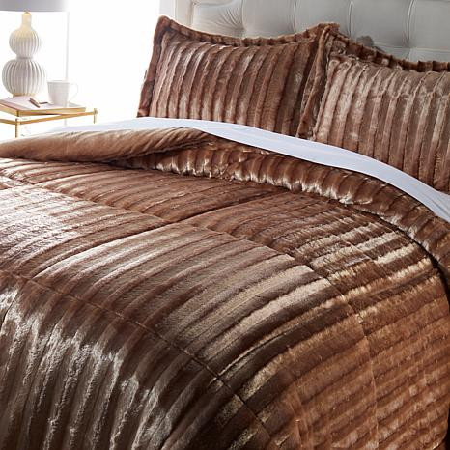
EXW | QTY | Retail Value | Sell Price
Virginia | 1532 | $150,411.76 | $34,082.00
California | 491 | $48,206.38 | $12,641.00

See tabs below for manifests of each location
**NOTE** The Full/Queen and King Sets are a 3 PC Set (Comforter & 2 Shams) and the Twin Set is a 2 PC Set (Comforter and 1 Sham)

Consulte las pestañas a continuación para ver los manifiestos de cada ubicación.
** NOTA ** Los juegos Full / Queen y King son un juego de 3 piezas (edredón y 2 fundas) y el juego doble es un juego de 2 piezas (edredón y 1 funda)

